SPEC LIST
Model No. |  | A4 | A4 - 5KVA | A8 | A8 - 5KVA | M3 | M3 - 5KVA
Image |  | 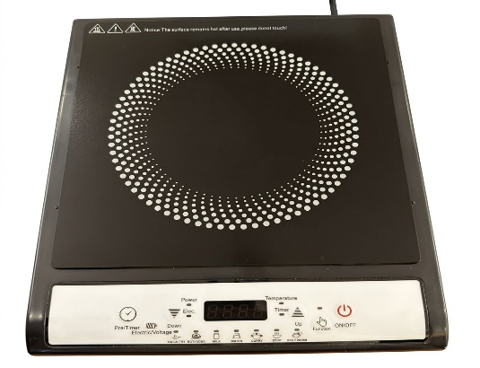 |  | 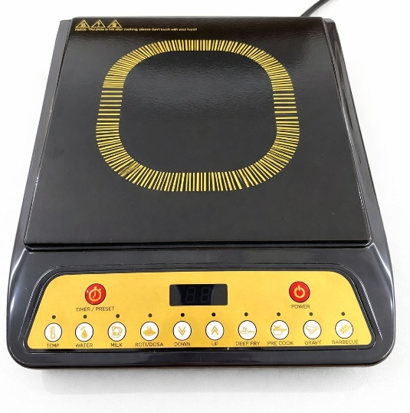 |  | 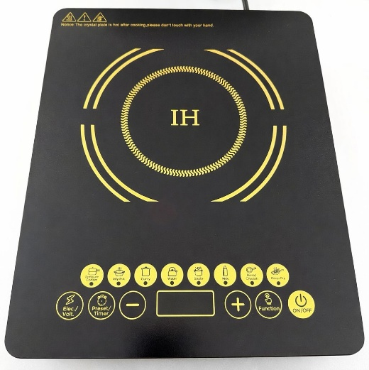
Component Name |  | Specification | Specification | Specification | Specification | Specification | Specification
Supply voltage / Frequency |  | 230V, 50Hz | 230V, 50Hz | 230V, 50Hz | 230V, 50Hz | 230V, 50Hz | 230V, 50Hz
Power | Display | 1,600W | 1,600W | 1,600W | 1,600W | 2,000W | 2,000W
 | Actual testing | 1,300W | 1,300W | 1,300W | 1,300W | 1,600W | 1,600W
Weight of product |  | 1,480g ± 50g | 1,480g ± 50g | 1,600g ± 50g | 1,600g ± 50g | 1,850g ± 50g | 1,850g ± 50g
Colour |  | Black / White control panel | Black / White control panel | Black / Golden control panel | Black / Golden control panel | Black/ Golden touch panel | Black/ Golden touch panel
Plate | Type | Ceramic plate | Unpolished crystal glass | Ceramic plate | Unpolished crystal glass | Unpolished crystal glass | Polished crystal glass
 | Size | 250*250*5.5mm | 250*250*3.5mm | 250*250*5.5mm | 250*250*3.5mm | 350*280*3.5mm | 350*280*3.5mm
Feature |  | Push button control/ 7 Preset Menu/ 4 LED Display | Push button control/ 7 Preset Menu/ 4 LED Display | Push button control/ 8 Preset Menu/ 4 LED Display | Push button control/ 8 Preset Menu/ 4 LED Display | Touch control 8 preset menu/ 4 LED display | Touch control 8 preset menu/ 4 LED display
Accessories |  | NA | NA | NA | NA | NA | NA
FAN |  | Model: BI-01 DC18V 0.18A | Model: BI-01 DC18V 0.18A | Model: BI-01 DC18V 0.18A | Model: BI-01 DC18V 0.18A | Model: BI-01 DC18V 0.18A | Model: BI-01 DC18V 0.18A
Fan RPM |  | 2300 ± 100RPM | 2300 ± 100RPM | 2300 ± 100RPM | 2300 ± 100RPM | 2300 ± 100RPM | 2300 ± 100RPM
Thermal fuse |  | FUSE 10A/ 250V ceramic type size:3.6×10mm | FUSE 10A/ 250V ceramic type size:3.6×10mm | FUSE 10A/ 250V ceramic type size:3.6×10mm | FUSE 10A/ 250V ceramic type size:3.6×10mm | FUSE 12.5A/ 250V ceramic type size:10×20mm | FUSE 12.5A/ 250V ceramic type size:10×20mm
IGBT |  | G15T120BNR3S-Maker Huajing 15A/1200DC Size：20×16×5mm | G20T135BK3S-Maker Huajing 20A/1350V Size：21×16×5mm | G15T120BNR3S-Maker Huajing 15A/1200DC Size：20×16×5mm | G20T135BK3S-Maker Huajing 20A/1350V Size：21×16×5mm | G20T135BK3S-Maker Huajing 20A/1350V Size：21×16×5mm | G20T135BK3S-Maker Huajing 20A/1350V Size：21×16×5mm
H.V capacitor |  | 0.27uF MKPH 630×(1200V) 50KHz 40/105/21 Maker BM Size：29×22×13mm | 0.27uF MKPH 630×(1200V) 50KHz 40/105/21 Maker BM Size：29×22×13mm | 0.27uF MKPH 630×(1200V) 50KHz 40/105/21 Maker BM Size：29×22×13mm | 0.27uF MKPH 630×(1200V) 50KHz 40/105/21 Maker BM Size：29×22×13mm | 0.3uF 5630V(1200V) 50KHz 40/105/21 Maker BM size:35×14×25mm | 0.3uF 5630V(1200V) 50KHz 40/105/21 Maker BM size:35×14×25mm
Safety regulation capacitor Capacitor |  | 0.1μF K X2 275VAC 40/100/21 Maker BM or TC Size：17.5×5.5×7.5mm | 0.1μF K X2 275VAC 40/100/21 Maker BM or TC Size：17.5×5.5×7.5mm | 0.1μF K X2 275VAC 40/100/21 Maker BM or TC Size：17.5×5.5×7.5mm | 0.1μF K X2 275VAC 40/100/21 Maker BM or TC Size：17.5×5.5×7.5mm | 2μF 5 MKP 275V AC 40/105/21 Maker BM size:30×9×17mm | 2μF 5 MKP 275V AC 40/105/21 Maker BM size:30×9×17mm
Interferance Suppression Capacitor |  | 5μF 275VAC MKP-X2 40/105/21 - Maker BM Size:30×22.5×16mm | 5μF 275VAC MKP-X2 40/105/21 - Maker BM Size:30×22.5×16mm | 5μF 275VAC MKP-X2 40/105/21 - Maker BM Size:30×22.5×16mm | 5μF 275VAC MKP-X2 40/105/21 - Maker BM Size:30×22.5×16mm | 5μF 400V- 275V MKP-X2 Maker BM size:36×25×18mm | 5μF 400V- 275V MKP-X2 Maker BM size:36×25×18mm
Bridge rectifier |  | GBU1510-Maker Ruisong 15A/1000V Size:22×18×3.5mm | GBU1510-Maker Ruisong 15A/1000V Size:22×18×3.5mm | GBU1510-Maker Ruisong 15A/1000V Size:22×18×3.5mm | GBU1510-Maker Ruisong 15A/1000V Size:22×18×3.5mm | GBU2010-Maker Ruisong 20A/1000V Size:22×18×3.5mm | GBU2010-Maker Ruisong 20A/1000V Size:22×18×3.5mm
Low pass filter (choke) |  | OD- 27 ±1 mm | OD- 24 ±1 mm | OD- 27 ±1 mm | OD- 24 ±1 mm | OD- 31 ±1 mm | OD- 31 ±1 mm
 |  | Dia of CCA wire 1.0 ±0.1 mm | Dia of CCA wire 1.0 ±0.1 mm | Dia of CCA wire 1.0 ±0.1 mm | Dia of CCA wire 1.0 ±0.1 mm | Dia of CCA wire 1.25 ±0.1 mm | Dia of CCA wire 1.25 ±0.1 mm
MOV |  | NA | BY 14D471K-Maker Baiyou | NA | BY 14D471K-Maker Baiyou | NA | HEL 14D471K-Maker Hongzhi or Maker Baiyou
IC |  | YuanMi 16P size:19×4×8mm | YuanMi 16P size:19×4×8mm | YuanMi 16P size:19×4×8mm | YuanMi 16P size:19×4×8mm | YuanMi DP16 | YuanMi DP16
POWER IC |  | DZ-12A/PN3912/FSD12A Size:9.5×8.5×4.5mm | DZ-12A/PN3912/FSD12A Size:9.5×8.5×4.5mm | DZ-12A/PN3912/FSD12A Size:9.5×8.5×4.5mm | DZ-12A/PN3912/FSD12A Size:9.5×8.5×4.5mm | DZ-12A/PN3912/FSD12A Size:9.5×8.5×4.5mm | DZ-12A/PN3912/FSD12A Size:9.5×8.5×4.5mm
CONTROL PANEL IC |  | TM1628A or AIP1628 | TM1628A or AIP1628 | TM1628A or AIP1628 | TM1628A or AIP1628 | MCU-CMS79FT613C | MCU-CMS79FT613C
LED BOARD |  | 94HB | 94HB | 94HB | 94HB | 94HB | 94HB
ADAPTOR |  | EE10-1.0 mH | EE10-1.0 mH | EE10-1.0 mH | EE10-1.0 mH | E113-2.0 mH | E113-2.0 mH
HEATING COIL DETAILS | Connection to PCB | Screw fixing | Screw fixing | Screw fixing | Screw fixing | Screw fixing | Screw fixing
 | WEIGHT OF COIL | 220g±20g | 220g±20g | 220g±20g | 220g±20g | 236g±20g | 236g±20g
 | RADIUS OF COIL | 82mm - CCA heating Area | 82mm - CCA heating Area | 82mm - CCA heating Area | 82mm - CCA heating Area | 80mm -CCA heating Area | 80mm -CCA heating Area
 | CIRCLES OF COIL | 27 circles | 27 circles | 27 circles | 27 circles | 28circles | 28circles
 | Number of strands | 16 | 16 | 16 | 16 | 22 | 22
 | DIA OF WIRE OF COIL | 0.35mm | 0.35mm | 0.35mm | 0.35mm | 0.35mm | 0.35mm
Power Cord | Details
 | Total length of Power Cord | 1.15 meter | 1.15 meter | 1.15 meter | 1.15 meter | 1.15 meter | 1.15 meter
 | Power Cord Effective Length
 | Colour of cord and Type | Black | Black | Black | Black | Black | Black
 | Number of strands | 24 | 24 | 24 | 24 | 24 | 24
 | Thickness of strand | 0.193 | 0.193 | 0.193 | 0.193 | 0.193 | 0.193
 | Cross section area of power cord | 0.75 | 0.75 | 0.75 | 0.75 | 0.75 | 0.75
 | Cord plug - 3 Pin | yes | yes | yes | yes | yes | yes
 | Notice label stuck near plug | no | no | no | no | no | no
Carton | Master carton Dimension
 | Unit carton Dimension
 | Master carton Nos. of ply
 | Unit carton Nos. of ply

